D1
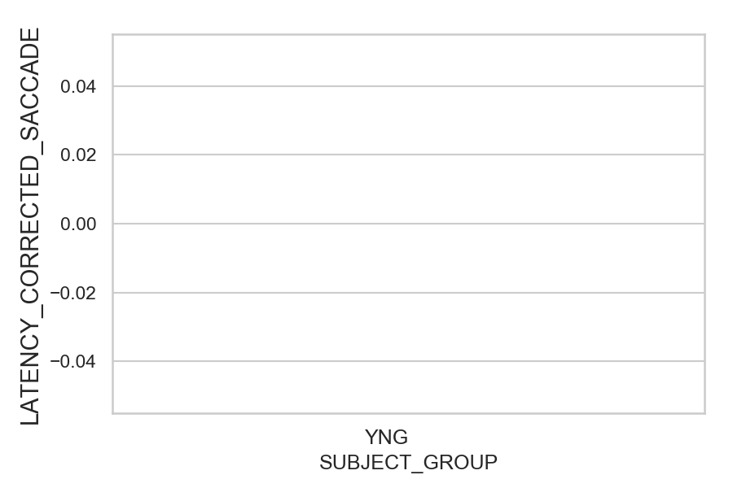
Latency of the corrected saccade after wrong saccades (ms)(mean latency of all trials per subject)
SUBJECT_NAME | SUBJECT_GROUP | SUBJECT_AGE | VALUE
AW001CG | YNG | 19
AW002AF | YNG | 19
MP1 | YNG

D1 (types)
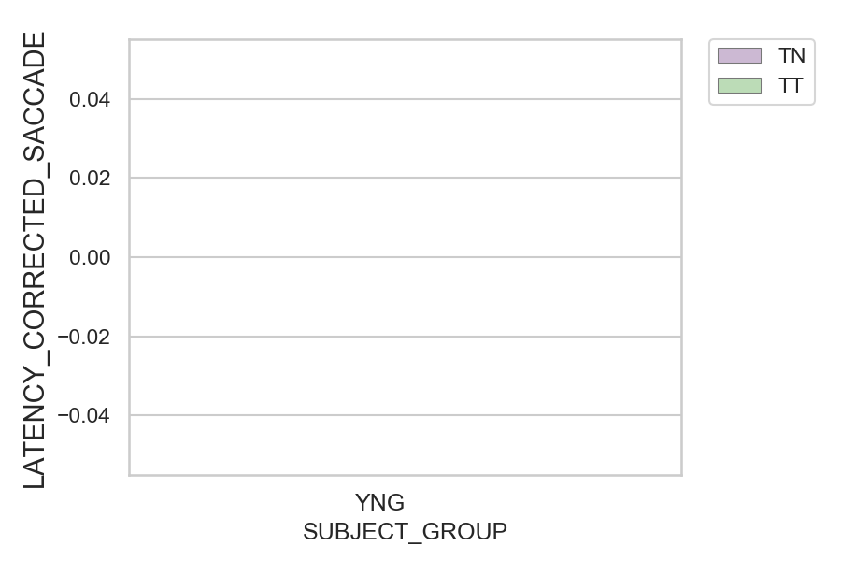
Latency of the corrected saccade after wrong saccades (ms)(mean latency of all trials per subject)
SUBJECT_NAME | SUBJECT_GROUP | CONDITION_APPEARANCE | SUBJECT_AGE | VALUE
AW001CG | YNG | TN | 19
AW001CG | YNG | TT | 19
AW002AF | YNG | TN | 19
AW002AF | YNG | TT | 19
MP1 | YNG | TN
MP1 | YNG | TT

